State wise Report
 | SATE/ UT
85.5 | 19
40 | 27
93 | 67
87 | 60
65 | 57
50 | 43
35 | 74
20 | 43
36 | 67
26 | 28
18 | 50
32 | 69
37 | 77
30 | 85
62 | 51
30 | 25
34.5 | 13
40 | 83
40 | 50
30 | 40
80 | 57
89 | 55
86 | 50
92 | 59
60 | 43
44 | 18
30 | 74
25 | 60
71 | 63
40 | 15
40 | 35
82.5 | 52
50 | 60
43 | 72
70 | 50
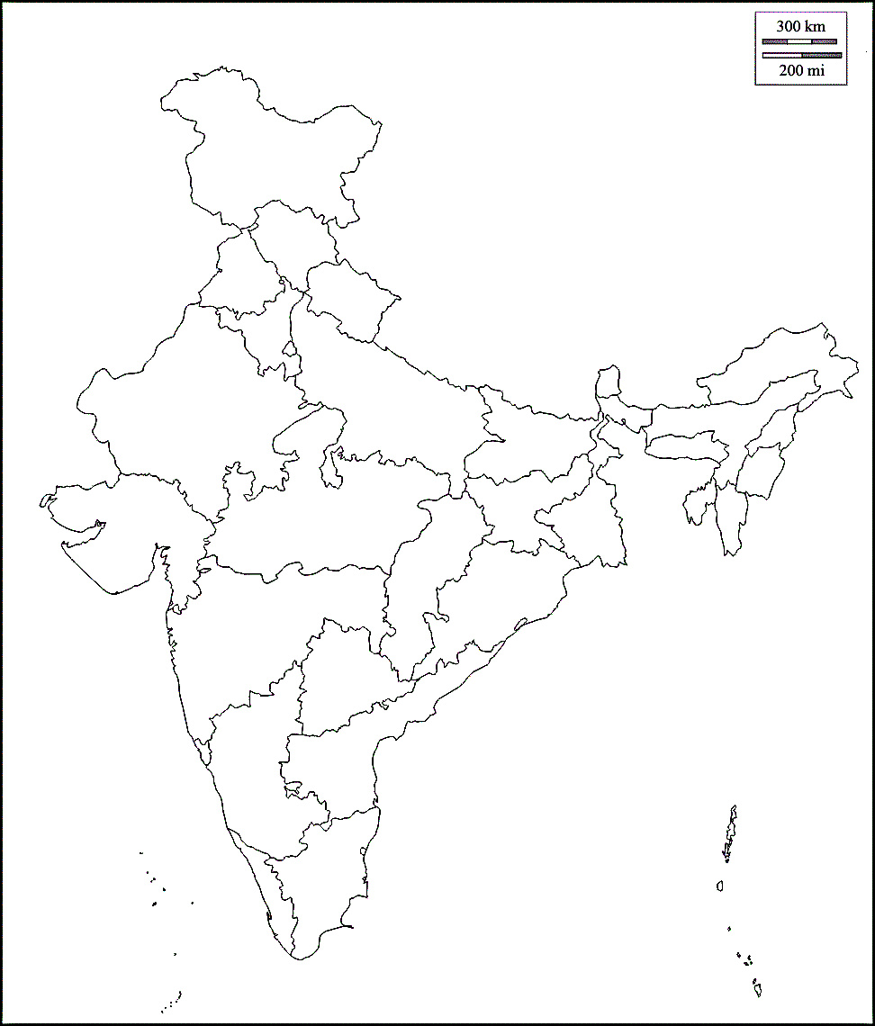

SATE/ UT | Confirmed | Active Cases | Reovered | Deaths | X | Y | SATE/ UT | Confirmed
ANDAMAN AND NICOBAR ISLANDS | 207 | 55 | 152 | 0 | 85.5 | 19 | ANDAMAN AND NICOBAR ISLANDS | 207
ANDHRA PRADESH | 53724 | 28800 | 24228 | 696 | 40 | 27 | ANDHRA PRADESH | 53724
ARUNACHAL PRADESH | 790 | 502 | 285 | 3 | 93 | 67 | ARUNACHAL PRADESH | 790
ASSAM | 25382 | 8229 | 17095 | 58 | 87 | 60 | ASSAM | 25382
BIHAR | 27646 | 9996 | 17433 | 217 | 65 | 57 | BIHAR | 27646
CHATTISGARH | 737 | 207 | 518 | 12 | 50 | 43 | CHATTISGARH | 737
CHANDIGARH | 5561 | 1592 | 3944 | 25 | 35 | 74 | CHANDIGARH | 5561
DADRA AND NAGAR HAVELI AND DAMAN AND DIU | 684 | 234 | 448 | 2 | 20 | 43 | DADRA AND NAGAR HAVELI AND DAMAN AND DIU | 684
DELHI | 123747 | 15166 | 104918 | 3663 | 36 | 67 | DELHI | 123747
GOA | 3853 | 1469 | 2361 | 23 | 26 | 28 | GOA | 3853
GUJRAT | 49353 | 11513 | 35678 | 2162 | 18 | 50 | GUJRAT | 49353
HARYANA | 26858 | 6277 | 20226 | 355 | 32 | 69 | HARYANA | 26858
HIMACHAL PRADESH | 1631 | 553 | 1067 | 11 | 37 | 77 | HIMACHAL PRADESH | 1631
JAMMU AND KASHMIR | 14650 | 6122 | 8274 | 254 | 30 | 85 | JAMMU AND KASHMIR | 14650
JHARKHAND | 5756 | 2893 | 2810 | 53 | 62 | 51 | JHARKHAND | 5756
KARNATAKA | 67420 | 42222 | 23795 | 1403 | 30 | 25 | KARNATAKA | 67420
KERALA | 13274 | 7615 | 5616 | 43 | 34.5 | 13 | KERALA | 13274
LADAKH | 1195 | 186 | 1007 | 2 | 40 | 83 | LADAKH | 1195
MADHYA PRADESH | 23310 | 6888 | 15684 | 738 | 40 | 50 | MADHYA PRADESH | 23310
MAHARASHTRA | 318695 | 131636 | 175029 | 12030 | 30 | 40 | MAHARASHTRA | 318695
MEGHALAYA | 1925 | 618 | 1307 | 0 | 80 | 57 | MEGHALAYA | 1925
MANIPUR | 466 | 396 | 66 | 4 | 89 | 55 | MANIPUR | 466
MIZORAM | 297 | 129 | 168 | 0 | 86 | 50 | MIZORAM | 297
NAGALAND | 1021 | 537 | 484 | 0 | 92 | 59 | NAGALAND | 1021
ODISA | 18110 | 5103 | 12910 | 97 | 60 | 43 | ODISA | 18110
PUDUCHERRY | 2092 | 798 | 1265 | 29 | 44 | 18 | PUDUCHERRY | 2092
PUNJAB | 10510 | 3130 | 7118 | 262 | 30 | 74 | PUNJAB | 10510
RAJSHTAN | 30390 | 7627 | 22195 | 568 | 25 | 60 | RAJSHTAN | 30390
SIKKIM | 305 | 213 | 92 | 0 | 71 | 63 | SIKKIM | 305
TAMIL NADU | 175678 | 51351 | 121776 | 2551 | 40 | 15 | TAMIL NADU | 175678
TELANGANA | 46274 | 11529 | 34323 | 422 | 40 | 35 | TELANGANA | 46274
TRIPURA | 3079 | 1227 | 1845 | 7 | 82.5 | 52 | TRIPURA | 3079
UTTAR PRADESH | 4642 | 1375 | 3212 | 55 | 50 | 60 | UTTAR PRADESH | 4642
UTTARA KHAND | 51160 | 19137 | 30831 | 1192 | 43 | 72 | UTTARA KHAND | 51160
WEST BENGAL | 44769 | 17204 | 26418 | 1147 | 70 | 50 | WEST BENGAL | 44769

Total | 1155191 | 402529 | 724578 | 28084

Growth in India
On 12 January 2020, the WHO confirmed that a novel coronavirus was the cause of a respiratory illness in a cluster of people in Wuhan City, Hubei, China, which was reported to the WHO on 31 December 2019.[30][31] | 1
00-01-00 | 2
Timeline | 3
00-01-00 | 5
COVID-19 cases in India ( | 6
00-01-00 | 28
v | 30
t | 31
e | 34
00-01-00 | 39
) | 44
Deaths Recoveries Active cases | 50
00-01-00 | 60
Jan 30 Jan 30 Feb 2–21 Feb 2–21 Mar 2–31 Mar 2–31 Apr 1–30 Apr 1–30 May 1–31 May 1–31 Jun 1–30 Jun 1–30 Last 21 days Last 21 days | 74
00-01-00 | 81
Date | 84
30-01-20 | 110
⋮ | 114
02-02-20 | 137
03-02-20 | 151
⋮ | 173
21-02-20 | 223
⋮ | 315
02-03-20 | 360
03-03-20 | 468
04-03-20 | 519
05-03-20 | 606
06-03-20 | 694
07-03-20 | 834
08-03-20 | 918
09-03-20 | 1024
10-03-20 | 1251
11-03-20 | 1397
12-03-20 | 1834
13-03-20 | 2069
14-03-20 | 2547
15-03-20 | 3072
16-03-20 | 3577
17-03-20 | 4281
18-03-20 | 4789
19-03-20 | 5274
20-03-20 | 5865
00-01-00 | 6761
21-03-20 | 7529
00-01-00 | 8447
22-03-20 | 9152
Date
Date | # of cases
On 12 January 2020, the WHO confirmed that a novel coronavirus was the cause of a respiratory illness in a cluster of people in Wuhan City, Hubei, China, which was reported to the WHO on 31 December 2019.[30][31] | 0 |  | 1
0 | 0 | (+100%) | 2 | (+1)
Timeline | 0 | (+50%) | 3 | +1)
0 | 0 | (+67%) | 5 | +2)
COVID-19 cases in India ( | 0 | (+20%) | 6 | +1)
0 | 0 | (+367%) | 28 | +22)
v | 0 | (+7%) | 30 | +2)
t | 0 | (+3%) | 31 | +1)
e | 0 | (+10%) | 34 | +3)
0 | 0 | (+15%) | 39 | +5)
) | 0 | (+13%) | 44 | +5)
Deaths Recoveries Active cases | 0 | (+14%) | 50 | +6)
0 | 0 | (+20%) | 60 | +10)
Jan 30 Jan 30 Feb 2–21 Feb 2–21 Mar 2–31 Mar 2–31 Apr 1–30 Apr 1–30 May 1–31 May 1–31 Jun 1–30 Jun 1–30 Last 21 days Last 21 days | 0 | (+23%) | 74 | +14)
0 | 0 | (+9%) | 81 | +7)
Date | # of cases | (+4%) | 84 | +3)
2020-01-30 | 1(n.a.) | (+31%) | 110 | +26)
⋮ | 1(=) | (+4%) | 114 | +4)
2020-02-02 | 2(+100%) | (+20%) | 137 | +23)
2020-02-03 | 3(+50%) | (+10%) | 151 | +14)
⋮ | 3(=) | (+15%) | 173 | +22)
2020-02-21 | 3(=) | (+29%) | 223 | +50)
⋮ | 3(=) | (+41%) | 315 | +92)
2020-03-02 | 5(+67%) | (+14%) | 360 | +45)
2020-03-03 | 6(+20%) | (+30%) | 468 | +108)
2020-03-04 | 28(+367%) | (+11%) | 519 | +51)
2020-03-05 | 30(+7.1%) | (+17%) | 606 | +87)
2020-03-06 | 31(+3.3%) | (+15%) | 694 | +88)
2020-03-07 | 34(+9.7%) | (+20%) | 834 | +140)
2020-03-08 | 39(+15%) | (+10%) | 918 | +84)
2020-03-09 | 44(+13%) | (+12%) | 1,024 | +106)
2020-03-10 | 50(+14%) | (+22%) | 1,251 | +227)
2020-03-11 | 60(+20%) | (+12%) | 1,397 | +146)
2020-03-12 | 74(+23%) | (+31%) | 1,834 | +437)
2020-03-13 | 81(+9.5%) | (+13%) | 2,069 | +235)
2020-03-14 | 84(+3.7%) | (+23%) | 2,547 | +478)
2020-03-15 | 110(+31%) | (+21%) | 3,072 | +525)
2020-03-16 | 114(+3.6%) | (+16%) | 3,577 | +505)
2020-03-17 | 137(+20%) | (+20%) | 4,281 | +704)
2020-03-18 | 151(+10%) | (+12%) | 4,789 | +508)
2020-03-19 | 173(+15%) | (+10%) | 5,274 | +485)
2020-03-20 | 223(+29%) | (+11%) | 5,865 | +591)
0 | 0 | (+15%) | 6,761 | +896)
2020-03-21 | 315(+41%) | (+11%) | 7,529 | +768)
0 | 0 | (+12%) | 8,447 | +918)
2020-03-22 | 360(+14%) | (+8%) | 9,152 | +705)

